8th Numerical
 | NUMERICAL ABILITY

 | Direction: Below are list of 20 Question, Read the Question carefully and shade the correct answer on the sheet provided.
 | Time: 15 Min
Question No |  | Option 1 | Option 2 | Option 3 | Option 4 |  | Answer

1 | A circular park of 20 metre diameter has a circular path just inside the boundary of width 1 metre . The area of the path is (in sq.m) | 15π | 17π | 19π | 25π |  | C
2 | In a triangle ABC, ∠A = 90° and D is the mid-point of AC. The value of BC² − BD² is equal to | AD² | 2AD² | 3AD² | 4AD² |  | C
3 | 40% of ? + 180 = 564. | 960 | 860 | 950 | 850 |  | A
4 | Any cyclic parallelogram having unequal adjacent sides is necessarily a | Square | Rectangle | Rhombus | Trapezium |  | B
5 | The factorization of 25 − p² − q² − 2pq is | (5 + p + q)(5 − p + q) | (5 + p + q)(5 − p − q) | (5 + p + q)(5 + p − q) | (5 + p − q)(5 − p + q) |  | B
6 | The value of (6.98 × 6.98 − 2.02 × 2.02) / 4.96 is | 9 | 4.96 | 3.72 | 6.76 |  | A
7 | The value of 9x² + 49y² − 42xy when x = 15 and y = 3 is | 636 | 576 | 386 | 456 |  | B
8 |  | 23 | 27 | 25 | 29 |  | B
9 | Which shows 833,000 written in scientific notation? | 8.33*10 3 | 8.33*10 4 | 8.33*10 5 | 8.33*10 6 |  | C
10 | Nina made a triangle by cutting the corner of a sheet of paper. One angle is 45 0 . What is the measure of the third angle of Nina's triangle ? | 30 0 | 45 0 | 55 0 | 60 0 |  | B
11 |  |  |  |  |  |  | C
12 | This rectangular prism has a length of 14cm , a height of 8cm , and a width of 3cm . What is the volume ? | 25 cu cm | 42 cu cm | 112 cu cm | 336 cu cm | 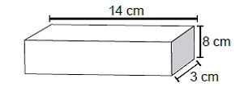 | D
13 | Which expression represents the product of n and 25 ? | 25n | 25-n | 25+n | 25/n |  | A
14 | Which point on the number line best represents 1.35? |  |  |  |  |  | C
15 | What is the prime factorization of 45 ? | 2 3 * 5 | 3 2 * 5 | 5 2 * 3 | 5 2 * 9 |  | B
16 | 11.3 *2.7 = | 29.31 | 29.51 | 30.31 | 30.51 |  | D
17 | Which of the following shows the next step using the least common denominator to simply 7/8 - 5/6? |  |  |  |  |  | A
18 |  |  |  |  |  |  | B
19 | In a parking lot , 1 out of every 8 cars is blue . What percent of the cars in this lot are blue ? | 1.25% | 7% | 9.00% | 12.5 |  | D
20 | A duck flew at 18km per hour for 3 hours , then at 15 km per hour for 2 hours . How far did the duck fly in all ? | 69 km | 75 km | 81 km | 84 km |  | D

SPATIAL ABILITY
 | SPATIAL ABILITY
 | Direction: The Shapes in Group 1and Group 2 are identical, although some of them may be rotated. Which shape in Group 2 corresponds to the shape (1 to 20) in Group 1?
 | Time: 15 Min
Question No |  | Option 1 | Option 2 | Option 3 | Option 4 |  | Answer
1 | In the following figures, one of the shapes (A-D) is identical to the first figure but has been rotated? Which figure is identical to the first? | Fig A | Fig B | Fig C | Fig D |  | B
2 | Which figure is identical to the first? | Fig A | Fig B | Fig C | Fig D |  | A
3 | Which figure is identical to the first? | Fig A | Fig B | Fig C | Fig D |  | C
4 | Which of the Answer Figures is a rotation of the Question Figure? | Fig A | Fig B | Fig C | Fig D | 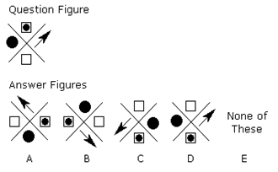 | C
5 | Which two pictures are identical? | AB | BD | CE | DE |  | C
6 | Which of the patterns when folded will make the cube shown? | Fig A | Fig B | Fig C | Fig D | 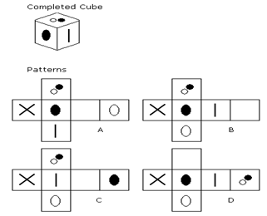 | D
7 | Which of the Figures(A-D) is a rotation of the Question Figure? | Fig A | Fig B | Fig C | Fig D |  | B
8 | Which of the Figures(A-D) is a rotation of the Question Figure? | Fig A | Fig B | Fig C | Fig D |  | C
9 | Which figure is odd one out? | Fig A | Fig B | Fig C | Fig D |  | A
10 | Which figure is odd one out? | Fig A | Fig B | Fig C | Fig D |  | C

 | Direction: From Question (11 – 20). The Shapes given in the question correspond to a figure as given in the group 2 Figures are identical, although some of them may be rotated. Which shape in Group 2 corresponds to the shape in the question . Write that letter in the answer
11 |  |  |  |  |  | 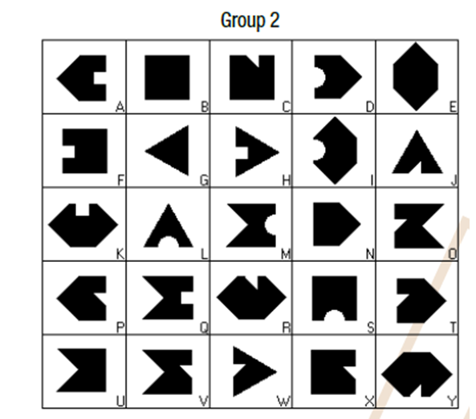 | N
12 |  |  |  |  |  |  | Q
13 |  |  |  |  |  |  | T
14 |  |  |  |  |  |  | F
15 |  |  |  |  |  |  | X
16 |  |  |  |  |  |  | H
17 |  |  |  |  |  |  | P
18 |  |  |  |  |  |  | D
19 |  |  |  |  |  |  | A
20 |  |  |  |  |  |  | S

